5.semester1
Assessment Students Development Semester 1 Academic Year 2025
Grade
RATCHABURI DEMONSTRATION SCHOOL

No. |  | Student ID | Name-surname | Midterm | Final |  | Tatal | Talent | edit

 |  |  |  | 0 | 100 |  | 100
1
2
3
4
5
6
7
8
9
10
11
12
13
14
15
16
17
18
19
20
21
22
23
24
25
26
27
28
29
30
31
32
33
34
35
36
37
38
39
40
41
42
43
44
45
46
47
48
49
50
 |  | Total Score
 |  | Lowest Score
 |  | Highest Score
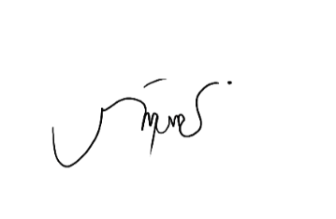
 |  | Average Score
 |  | Average Percentage

 | …………………………………………. |  |  |  | ………………………………………….
 |  | () |  |  |  | (Miss.Phattharakan Semsugsam)
 |  | Teacher |  |  |  | Measurement and Evaluation

